AMZL 1.0 Infrastructure
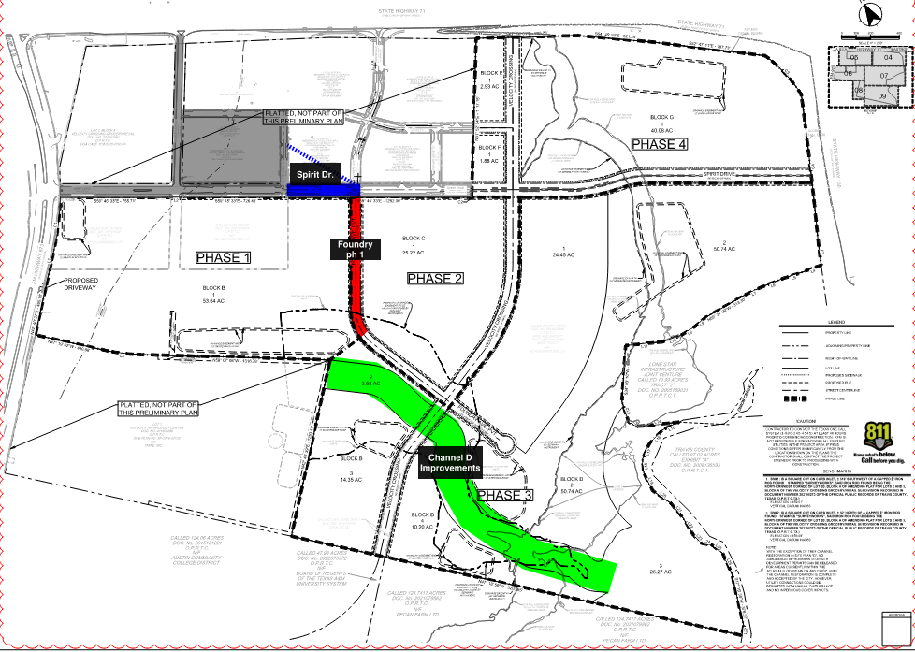
DUA4 Budget Summary
Project | Seller Allocation | Seller % | Purchaser Allocation | Purchaser % | Total
Spirit Dr. | $1,904,299 | 50.0% | $1,904,299 | 50.0% | $3,808,598
Foundry Ave. | $1,766,410 | 50.0% | $1,766,410 | 50.0% | $3,532,820
Channel D | $3,314,722 | 100.0% | $0 | 0.0% | $3,314,722
Sitewide | $46,810 | 7.8% | $552,876 | 92.2% | $599,686
Total | $7,032,241 | 68.1% | $4,223,585 | 31.9% | $11,255,827

AMZL 2.0 Infrasructure
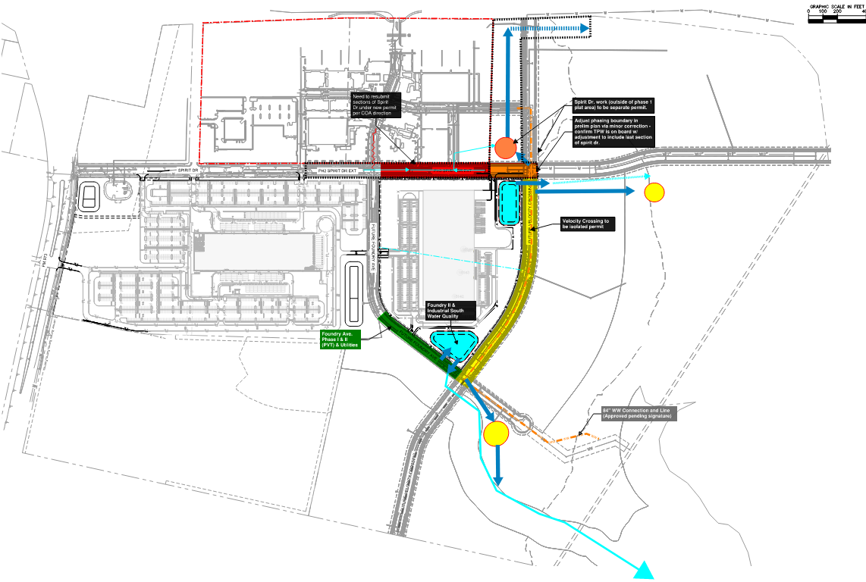
SUS1 Budget Summary
Project | Seller Allocation | Seller % | Purchaser Allocation | Purchaser % | Total
Spirit Dr. (Foundry to ph. 1 plat) | $2,079,087 | 50.0% | $2,079,087 | 50.0% | $4,158,174
Spirit Dr. Ext. | $1,092,559 | 50.0% | $1,092,559 | 50.0% | $2,185,119
Foundry Phase 2 | $1,484,248 | 50.0% | $1,484,248 | 50.0% | $2,968,497
Velocity Crossing & Spirit Dr. Ext. | $4,107,275 | 50.0% | $4,107,275 | 50.0% | $8,214,550
WW 84" | $3,354,188 | 100.0% | $0 | 0.0% | $3,354,188
Sitewide | $36,213 | 14.9% | $206,561 | 85.1% | $242,775
Total | $12,153,571 | 57.5% | $8,969,731 | 42.5% | $21,123,302

